ART
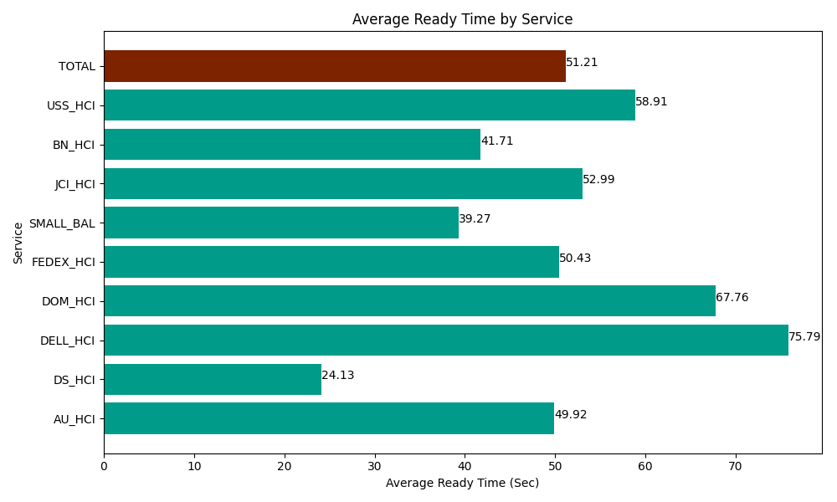
Date | Service | Successful Op Transfer | In Call (Sec) | Ready (Sec) | Wrapup (Sec) | Not Ready (Sec) | Average Ready Time (Sec)
03-28-2024 | AU_HCI | 190 | 12281.999817 | 9484.8001099 | 16138.800659 | 4790.9999084 | 49.92
03-28-2024 | DS_HCI | 325 | 22307.999268 | 7843.7997437 | 36834.001465 | 34057.199707 | 24.13
03-28-2024 | DELL_HCI | 87 | 8902.800293 | 6594.0000916 | 21152.999268 | 6205.8000183 | 75.79
03-28-2024 | DOM_HCI | 80 | 3001.7999268 | 5420.9999084 | 8228.9996338 | 265.20000458 | 67.76
03-28-2024 | FEDEX_HCI | 119 | 10448.999634 | 6001.1997986 | 6715.1998901 | 12486.000366 | 50.43
03-28-2024 | SMALL_BAL | 81 | 5053.2000732 | 3181.2000275 | 9786.0003662 | 3754.1999817 | 39.27
03-28-2024 | JCI_HCI | 595 | 54616.201172 | 31528.798828 | 80215.202637 | 29521.799927 | 52.99
03-28-2024 | BN_HCI | 469 | 39099.001465 | 19564.200439 | 64801.801758 | 35443.198242 | 41.71
03-28-2024 | USS_HCI | 147 | 30912.000732 | 8659.8001099 | 15397.800293 | 5326.7999268 | 58.91
 | TOTAL | 2093 | 186624.00238 | 98278.799057 | 259270.80597 | 131851.19808 | 51.21

